Sheet1
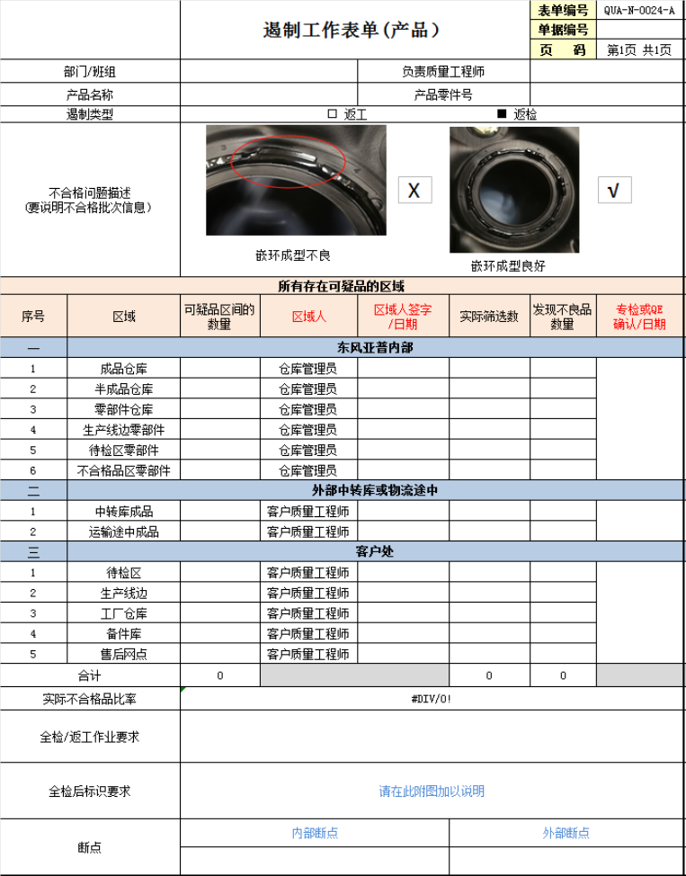
Key Points of Containment Activities

1️⃣ Clear containment methods
Containment methods shall be clearly defined, with explicit acceptance/judgement criteria and clear containment measures (generally screening and lot isolation), as well as proper identification/marking of contained products.

2️⃣ Full coverage of containment scope
Containment shall cover all relevant stages, starting from the specific point in the supply chain where the manufacturing cause is identified (typically the originating process step), and extending downstream to all processes where defective products may exist.

3️⃣ Complete containment records
Containment records shall be complete and shall include:
potential quantity to be checked,
actual quantity checked,
inspection/screening results,
name of the inspector,
signature of the responsible manager.

4️⃣ Containment break point
After containment is implemented, the containment break point shall be reported to the customer.

5️⃣ Internal feedback of containment status
As part of the problem-solving process, containment status shall be promptly communicated internally to the problem-solving team, with linkage to quality focus items, rework/repair activities, and other related modules.

